WW15_NVL P
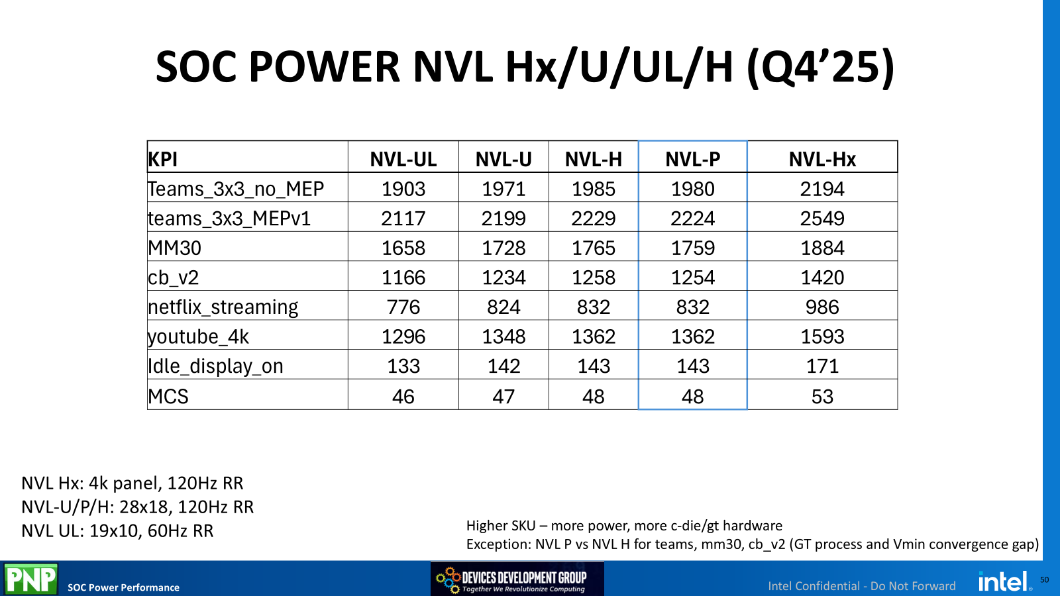
Power KPIs​ (using heatsink) | PRQ Commit​ (Q4’23)​ (mW)​ | Q4’25 ​ Update​ (mW)​ | Ratio ​(Q4’25/Commit)​ | Measured WW07’26 (mW)​ | Ratio (Measured WW06/Q4’25)​ | Best Bridge Measured (mW)​ | Ratio ​(Best Bridge /Q4’25)​ | ARL QS PPG​ (mW)​
OS Idle (25C)​ | 109 (WW52’24)​ | 143 | 1.31 | 613.96 | 4.29 | ​ | ​ | 237​ | *
Busy Idle (25C)​ | 223​ | 286 (Q2'25) | 1.28​ |  |  | ​ | ​ | NA​
Netflix 1080p AVC/H.264 (40C)​ | 579​ | 832 | 1.44 | 3372.26 | 4.05 | ​ | ​ | 1691​ | *
AVI 4K YouTube 4K30 AV1 (40C)​ | 803​ | 1362 | 1.70 | 2242.21 | 1.65 | ​ | ​ | 3535​ | *
4-tab browsing –Catapult (40C)​ | 1020 (WW52’24)​ | 1254 | 1.23 | 1926.82 | 1.54 | ​ | ​ | 1588​ | *
Teams 3x3 (50C)​ | 1586​ | 1980 | 1.25 | 3680.99 | 1.86 | ​ | ​ | 8191​ | *
Teams 3x3 + MEP (50C)​ | 2172 (WW14’25)​ | 2224 | 1.02 |  |  | ​ | ​ | NA​
MCS (25C)​ | 55​ | 48 | 0.87 | 89.17 | 1.86 | ​ | ​ | 70​ | *
MM30 (40C)​ | 1585 (WW14’25)​ | 1759 | 1.11 |  |  | ​ | ​ | 2717 (Perf-1143)

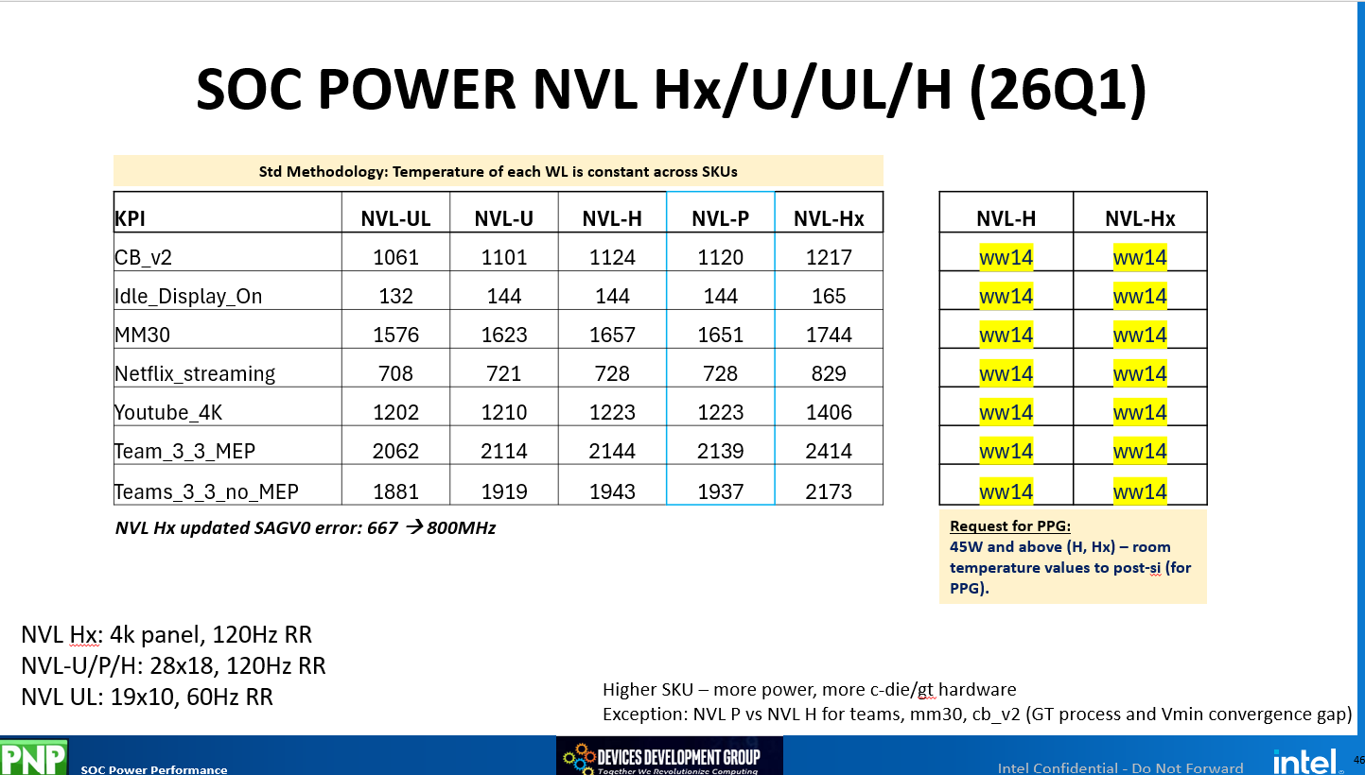
Power KPIs​ (using heatsink) | PRQ Commit​ (Q4’23)​ (mW)​ | Q1’26 ​ Update​ (mW)​ | Ratio ​(Q1’26/Commit)​ | Measured WW10’26 (mW)​ | Ratio (Measured WW10/Q1'26)​ | Best Bridge Measured (mW)​ | Ratio ​(Best Bridge /Q4’25)​ | ARL QS PPG​ (mW)​
OS Idle (25C)​ | 109 (WW52’24)​ | 144 | 1.32 | 332.02 | 2.31 | ​ | ​ | 237​
Busy Idle (25C)​ | 223​ | 286 (Q2'25) | 1.28​ | 592.23 | 2.07 | ​ | ​ | NA​
Netflix 1080p AVC/H.264 (40C)​ | 579​ | 728 | 1.26 | 2595.58 | 3.57 | ​ | ​ | 1691​
AVI 4K YouTube 4K30 AV1 (40C)​ | 803​ | 1223 | 1.52 | 1668.924 | 1.36 | ​ | ​ | 3535​
4-tab browsing –Catapult (40C)​ | 1020 (WW52’24)​ | 1120 | 1.10 | 1381.225 | 1.23 | ​ | ​ | 1588​
Teams 3x3 (50C)​ | 1586​ | 1937 | 1.22 | 2971 | 1.53 | ​ | ​ | 8191​
Teams 3x3 + MEP (50C)​ | 2172 (WW14’25)​ | 2139 | 0.98 | 3022.69 | 1.41 | ​ | ​ | NA​
MCS (25C)​ | 55​ | 48 (Q4'25) | 0.87 | 135.29 | 2.82 | ​ | ​ | 70​
MM30 (40C)​ | 1585 (WW14’25)​ | 1651 | 1.04 |  |  | ​ | ​ | 2717 (Perf-1143)

Power KPIs​ (using Thermal Head) | PRQ Commit​ (Q4’23)​ (mW)​ | Q1’26 ​ Update​ (mW)​ | Ratio ​(Q1’26/Commit)​ | Measured WW15’26 (mW)​ | Ratio (Measured WW15/Q1'26)​ | Best Bridge Measured (mW)​ | Ratio ​(Best Bridge /Q4’25)​ | ARL QS PPG​ (mW)​
OS Idle (25C)​ | 109 (WW52’24)​ | 144 | 1.32 |  | 0.00 | ​ | ​ | 237​
Busy Idle (25C)​ | 223​ | 286 (Q2'25) | 1.28​ |  | 0.00 | ​ | ​ | NA​
Netflix 1080p AVC/H.264 (40C)​ | 579​ | 728 | 1.26 |  | 0.00 | ​ | ​ | 1691​
AVI 4K YouTube 4K30 AV1 (40C)​ | 803​ | 1223 | 1.52 |  | 0.00 | ​ | ​ | 3535​
4-tab browsing –Catapult (40C)​ | 1020 (WW52’24)​ | 1120 | 1.10 |  | 0.00 | ​ | ​ | 1588​
Teams 3x3 (50C)​ | 1586​ | 1937 | 1.22 |  | 0.00 | ​ | ​ | 8191​
Teams 3x3 + MEP (50C)​ | 2172 (WW14’25)​ | 2139 | 0.98 |  | 0.00 | ​ | ​ | NA​
MCS (25C)​ | 55​ | 48 (Q4'25) | 0.87 |  | 0.00 | ​ | ​ | 70​
MM30 (40C)​ | 1585 (WW14’25)​ | 1651 | 1.04 |  |  | ​ | ​ | 2717 (Perf-1143)

